ML_Tables_Drafting
Feature Category | Table 1 | Indicates what ingredients are present in the mixing steps |  |  |  |  |  |  |  | *Zuha and Arun's notes on featurizing data for machine learning | features that seem important for understanding mixing and order | co-mixed ingredient, preceding ingredient
Chemical Ingredient Presence | Ink_ID | EMID_09 | P123_03 | BADGE_01 | Clay_03 | EMID_09 | BADGE_03 | BADGE_02 |  |  |  | the combination of steps and ingredients
 | Ink_001 | 1 | 1 | 1 | 1 | 0 | 0 | 0 |  |  |  | the temporal processing (this followed by this)
 | Ink_002 | 0 | 1 | 0 | 1 | 1 | 1 | 0 |  | reducing some of the continous variables into categorical variables
 |  |  |  |  |  |  |  |  |  |  | Example Graph Outputs
 | Class | epoxy | IL | BCP | clay | epoxy | BCP | BCP
 |  |  |  |  |  |  |  |  |  |  | output cumulative importance of feature type, such that, the importance of the ingredient combinations is summed to give us an idea of how that feature TYPE impacts the model | 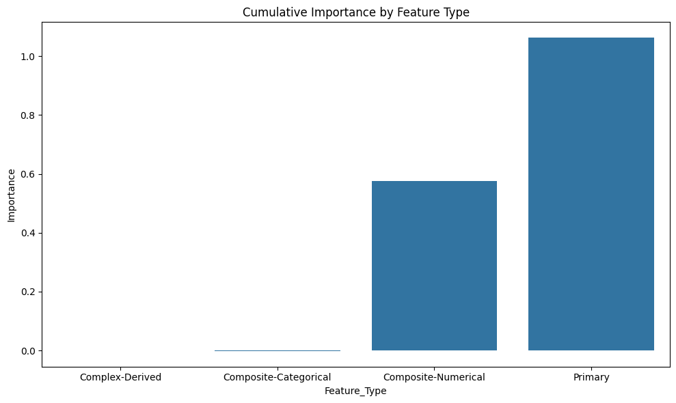
Chemical composition | Table 2 | Chemical Compositions: Reduce to weight percent |  |  | From here we can determine molecular weight |  |  |  | divide each row by that row's sum
 | Ink_ID | EMID_09 | P123_03 | BADGE_01 | Clay_03 | EMID_10 | BADGE_03 | BADGE_02
 | Ink_001 | 3 | 2.5 | 1 | 1.5 | 0 | 0 | 0
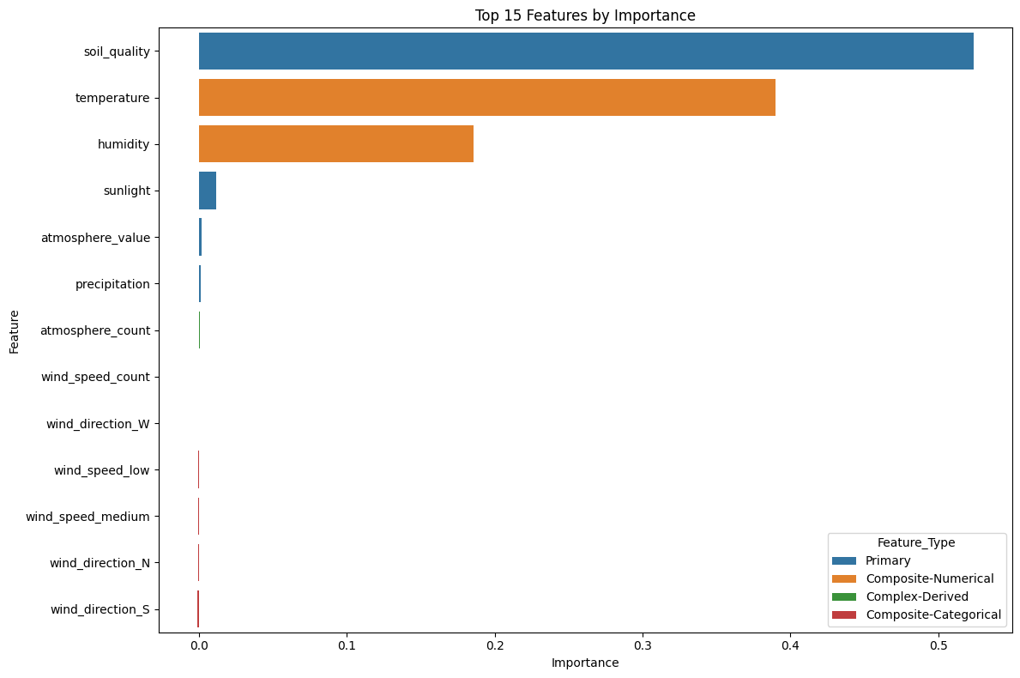
 | Ink_002 | 0 | 0.6 | 0 | 0.1 | 0.2 | 0.1 | 0

Rheology Steps | Table 3 | Rheology IDs |  | Indicates what rheology testing procedures were used (specifically creep test) |  |  |  |  |  | similar table exists for mixing
 | Ink_ID | Creep_1 | Creep_2 | Creep_3 | Creep_4 | Creep_5 | Creep_6 | Creep_7
 | Ink_001 | 1 | 0 | 0 | 0 | 1 | 1 | 1
 | Ink_002 | 0 | 1 | 1 | 1 | 1 | 0 | 0

Number of Steps | Table 4 | Mixing Steps | This is linked to ink_id plus that maps to the mixing ids, but this only provides the number of steps
 | Ink_ID | Number of Mixing Steps
 | Ink_195 | 3
 | Ink_196 | 4

Mixing Combinations (Substeps) | Table 5 | Chemical combinations in a particular step, split as entities
 | Ink_ID | [EMID_09,P123_03] | [BADGE_01] | [Clay_03] | [Clay_03,P123_03] | [EMID_09]
 | Ink_195 | 1 | 1 | 1 | 0 | 0
 | Ink_196 | 0 | 1 | 1 | 1 | 1

Mixing Order | Table 5 | Order
 | Ink_ID | EMID_09 | P123_03 | BADGE_01 | Clay_03 | EMID_09 | BADGE_03 | BADGE_02
 | Ink_001 | 1 | 1 | 2 | 3 | 0 | 0 | 0
 | Ink_002 | 0 | 1 | 0 | 1 | 2 | 3 | 0

 | Class | epoxy | IL | BCP | clay | epoxy | BCP | BCP

